Sheet1
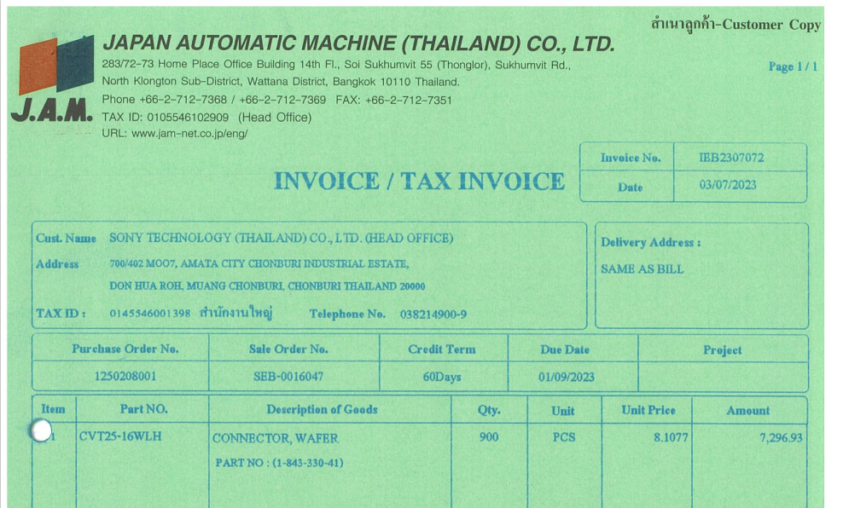

INVOICE_NO

PO_NO

QTY
UNIT_PRICE
AMOUNT
ITEM_NO

